Pivot Table 1
Gender | (All)

COUNTA of Employee type |  | Salary
Emp ID | Name | 0 | 28481.16 | 31042.51 | 31172.77 | 32192.15 | 35943.62 | 37362.3 | 37902.35 | 38438.24 | 39700.82 | 39969.72 | 40753.54 | 41934.71 | 42314.39 | 43329.22 | 44403.77 | 47362.62 | 50310.09
PR00095 | Ardella Dyment
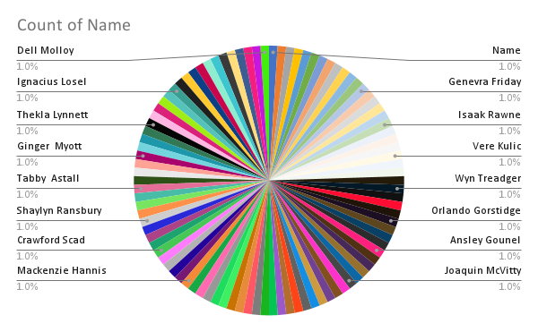
PR00095 Total
PR00147 | Minerva Ricardot
PR00147 Total
PR00210 | Marquita Liquorish
PR00210 Total
PR00419 | Billi Fellgate
PR00419 Total
PR00576 | Lion Adcock
PR00576 Total
PR00882 | Jill Shipsey
PR00882 Total
PR00893 | Daisie McNeice |  |  |  |  |  |  |  |  |  |  |  |  |  |  |  |  |  | 1
PR00893 Total |  |  |  |  |  |  |  |  |  |  |  |  |  |  |  |  |  |  | 1
PR00916 | Inger Chapelhow
PR00916 Total
PR01159 | Mollie Hanway
PR01159 Total
PR01211 | Enoch Dowrey
PR01211 Total
PR01346 | Adolph McNalley
PR01346 Total
PR01662 | Genevra Friday
PR01662 Total
PR01951 | Aloise MacCathay
PR01951 Total
PR02208 | Vernor Atyea
PR02208 Total
PR02288 | Althea Bronger
PR02288 Total
...

